01. check out
Test Case ID: | Unit to Test: | Assumptions: | Test Data Required: | Steps: | Expected Result: | Actual Result: | Pass/Fail: | Comments:
tc_github_01 | github check out | user has been invited to collaborate on a github repository | x. email invitation link to collaborate on hipples IP01 repository | 1. find github invitation in user email 2. view/accept invitation 3. clone repository into a newly created alt folder 4. open IP01 - Windows Calculator.sln | x. able to edit the newly cloned hipples repository from within the newly created alt folder x. access to code | x. able to edit the newly cloned hipples repository from within the newly created alt folder x. access to code | Pass | successfully opened IP01 - Windows Calculator.sln from newly cloned hipples repository within swiseWHAT's folder the four following screenshots recorded the process

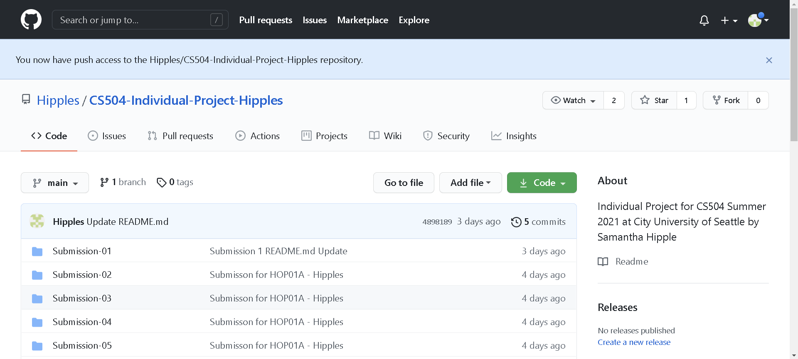 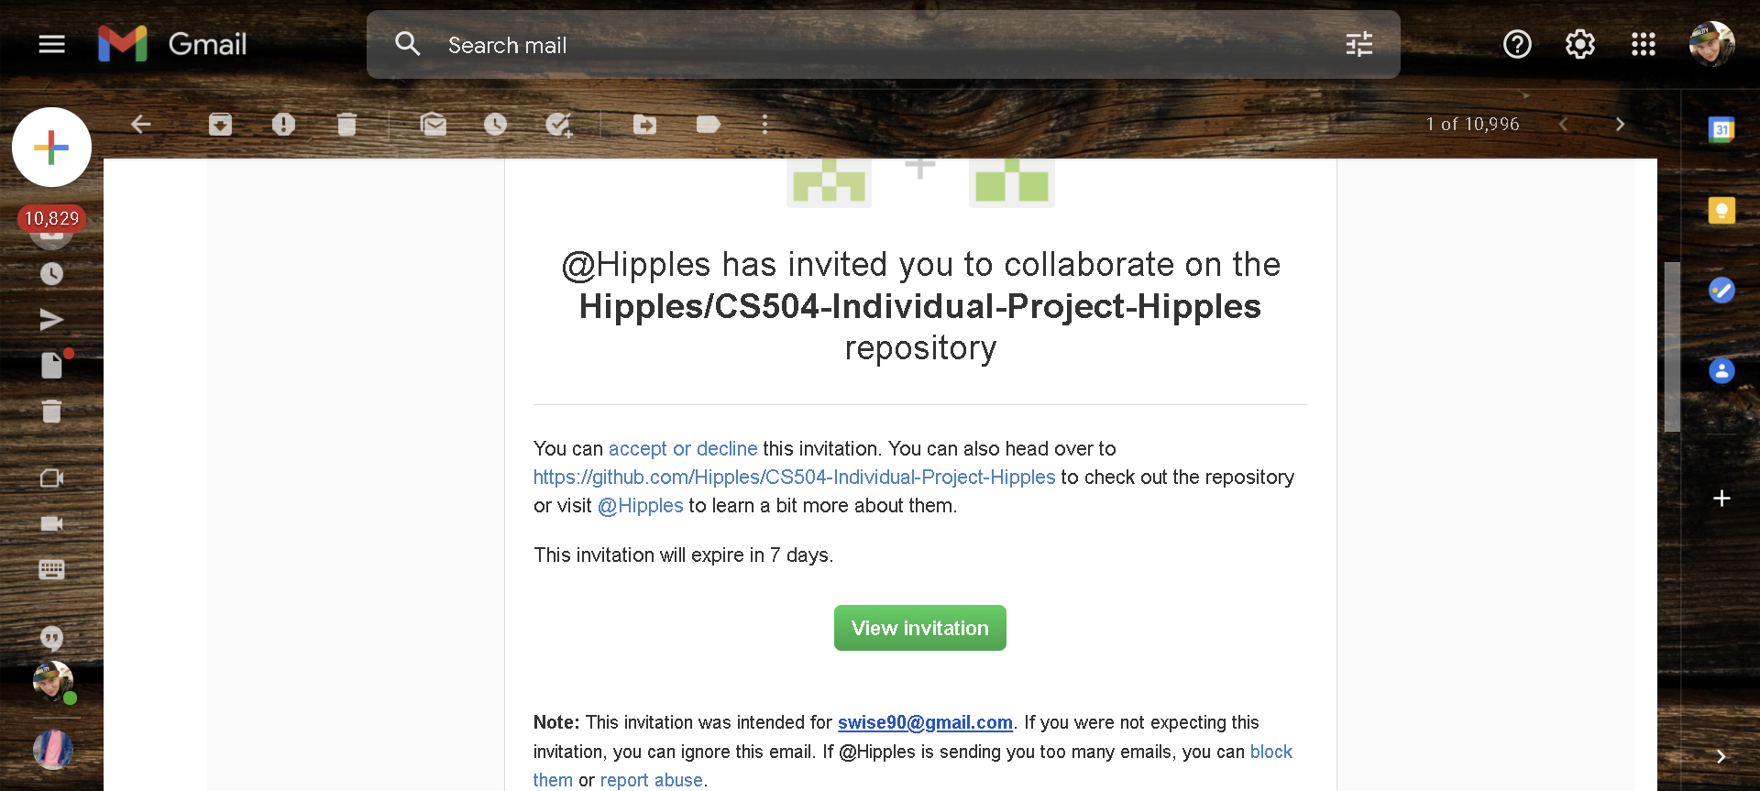 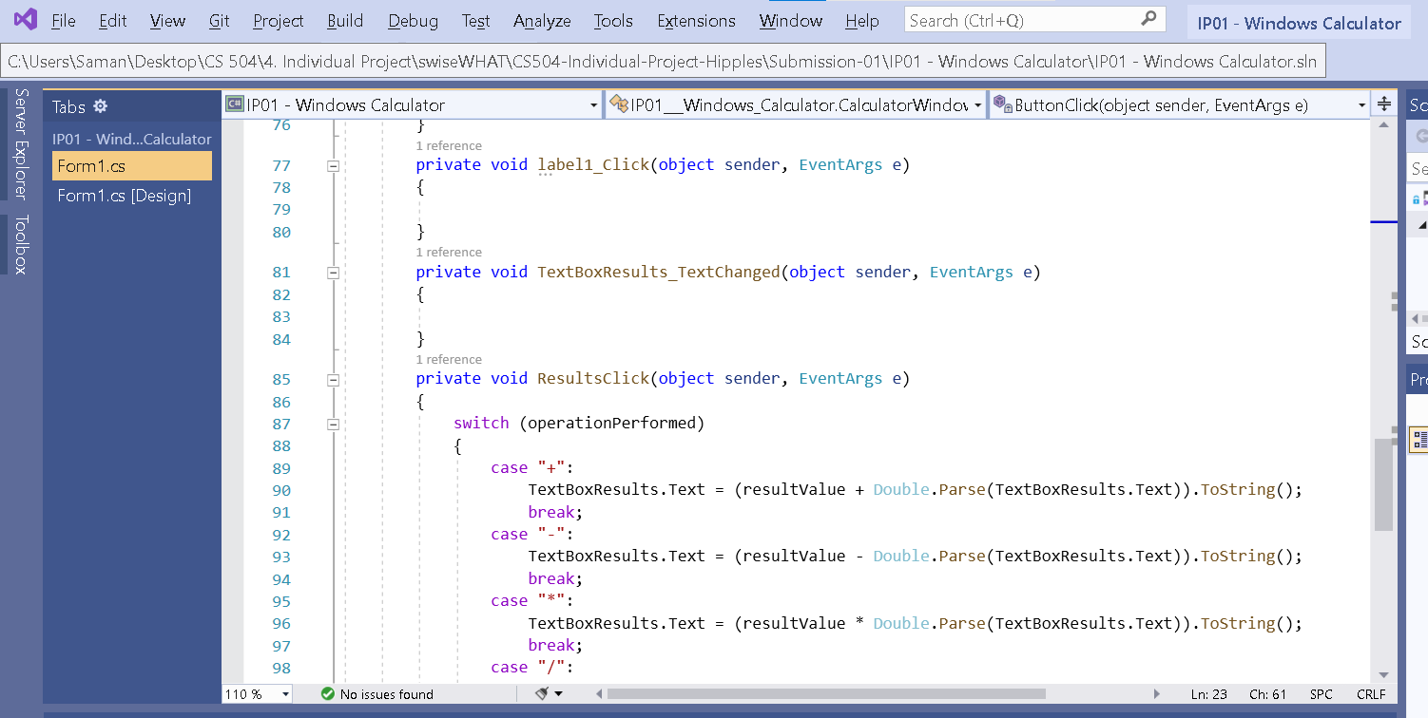 Screenshots of Process:

02. check in (FAIL)
Test Case ID: | Unit to Test: | Assumptions: | Test Data Required: | Steps: | Expected Result: | Actual Result: | Pass/Fail: | Comments:
tc_github_02 | github check-in | x. able to pass tc_github_01 | x. saved data used to complete tc_github_01 | 1. open cmd prompt 2. set directory to swiseWHAT's folder 3. type the three following commands into cmd: 1. git add . 2. git commit -m "Update 01 from swiseWHAT folder" 3. git push origin main 4. sign into github brower on hipples account to check the update results | successfully upload edited files by swiseWHAT to the Hipples repository | uploaded correctly from newly cloned repository; however, was uploaded by hipples, not swiseWHAT | Fail | Althought the data successfully uploaded, the records show it was pushed by hipples and not swiseWHAT Will create alternative windows user account for swiseWHAT to push work from as a solution and try again. Three screenshots were captured and saved below during this test case.

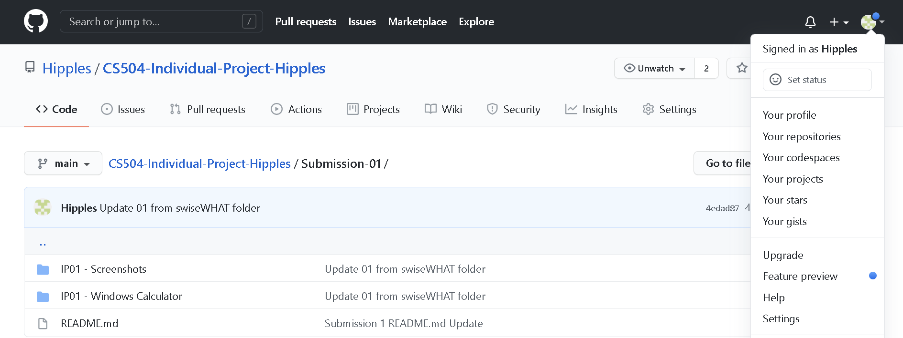 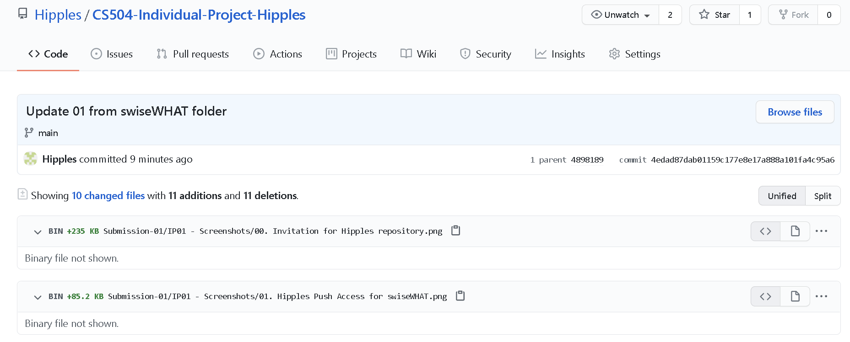 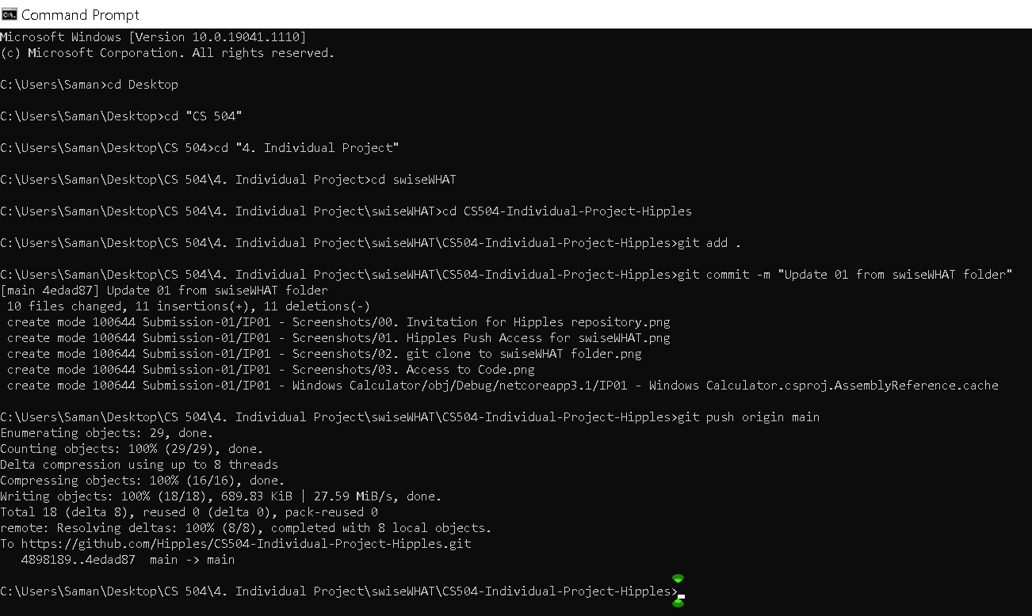 Screenshots of Process:

